DatVal
FIN 470 | Practice Problems 8
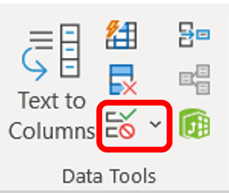
 | Data Validation
 | Restrict the type of data or the values that users enter into a cell.
 | Select Cells > Data > Data Validation (in Data Tools)

 |  |  | Restrictions:
 | Whole Number |  |  | Whole Number - to restrict the cell to accept only whole numbers.
 |  |  |  | Decimal - to restrict the cell to accept only decimal numbers.
 | List |  |  | List - to pick data from the drop-down list.
 |  |  |  | Date - to restrict the cell to accept only date.
 |  | BusAdmin |  | Time - to restrict the cell to accept only time.
 |  | Acct |  | Text Length - to restrict the length of the text.
 |  | Econ/Fin |  | Custom – for custom formula.
 |  | Mrkt

